Welcome
Welcome to the Synnex Comstor Guide for Cisco product. This guide is updated routinely and more product is added as needed.
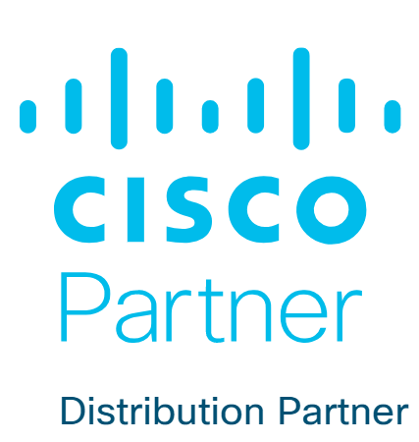

 | NGFW Firewalls
 | Cisco Cloud Security
 | Collaboration

 | UCS
 | Hyperflex
 | Data Center Software
 | Nexus Switches
 | Meraki MX (Firewall)
 | Meraki MS (Switching)
 | Meraki MR (AP's)
 | ENG Switches
 | SMB Switches
 | Access Points
 | Routers
 |  | v2.0

 |  |  | I added it.

